InputForm
Order for Cultures [Form M-10 / M-10C] |  | Download latest version forms to order cultures (2023-10-02)
Please enter the necessary information in the order form (green background cell) according to (1) to (6) on this page.
Select and input from the pull-down menus of green background cells have pull-down menus.
The entered data will be reflected in the "FormM-10_10C" sheet.
Please send the completed attachment file to JCM by E-mail . We will confirm if form is filled out properly in the contents.
On-line catalogue: | https://jcm.brc.riken.jp/en/
Inquiry: | inquiry.jcm@riken.jp
*Required
(1)* Date of application and payment method |  | Notes to fill out forms
Date: DD/MM/YYYY
Payment method |  | <-- Choose from pull-down menu. (Bank transfer / Credit card)

(2)* RECIPIENT information (Students are not allowed to be RECIPIENT) |  | <-- Strains will be sent to the RECIPIENT of the organization which concluded the MTA. RIKEN BRC-JCM do not ship to intermediaries and third parties.
First name |  | <-- Fill in Recipient Investigator same as MTA.
Middle name
Last name
Job Title
Laboratory / etc. |  | <-- Fill in official affiliation of Recipient without using abbreviation.
Department / Division
Organization / Company
Organization Type |  | <-- Choose from pull-down menu. (For-Profit / Not-for-Profit)
Street Address |  | <-- Fill in official address in detail as on your organization website.
Town / City
State / Province / District
Zipcode
Country
EORI No. |  | <-- Required if RECIPIENT organization is in the EU member states.
RECIPIENT E-mail
Contact person E-mail |  | <-- Fill in if contact person is different from RECIPIENT.
TEL |  | <-- + Country code - Area code - Local number
FAX
Carrier for Shipping |  | <-- Choose from pull-down menu.
FedEx / TNT account No. |  | <-- Required if you use FedEx or TNT as carrier.
Account holder name |  | <-- Required if you use FedEx or TNT as carrier.
RECIPIENT Organization URL |  | <-- Fill in homepage URL of your organization if applicable. (If there is no such a site, leave it in blank)

(3) Authorized Representative (Authorized Representative who will have Signature on Form M-11) |  | <-- Dean of University / College / School / Faculty (University), Director (Public Research Institute),
First name |  | President (Company), or administrator responsible for intellectual property rights are assumed.
Middle name
Last name
Job Title |  | <-- Fill in official Job Title.
Department / Division |  | <-- Fill in official Department / Division name without using abbreviation.
Organization / Company |  | <-- Fill in official organization name without using abbreviation.
Website for confirmation of Authorized Representative |  | <-- Website URL confirming the name and job title of the Authorized Representative. If there is no website information, submit a document separately that can be confirmed.

(4) Billing Address information (If Billing Address is the same as (2), leave it in blank)
First name
Middle name
Last name
Department / Division |  | <-- Fill in official affiliation information without using abbreviation.
Organization / Company
Street Address |  | <-- Fill in official address in detail as on your organization website.
Town / City
State / Province / District
Zipcode
Country
Your Purchase Order No. |  | <-- Fill in if applicable. (If there is no No., leave it in blank)
VAT-No. |  | <-- Fill in if applicable. (If there is no No., leave it in blank)
Billing charge person E-mail |  | <-- Fill in Billing charge person E-mail. It is required to send invoice by E-mail.
TEL |  | <-- + Country code - Area code - Local number
FAX

(5)* Research purpose (Fill out whole sentences written here on FormM-11 paragraph 2-(a))
Research purpose (Specific of microbial strains purpose of use / method) |  | <-- Fill in specific how and for what purpose you are going to use JCM strains.

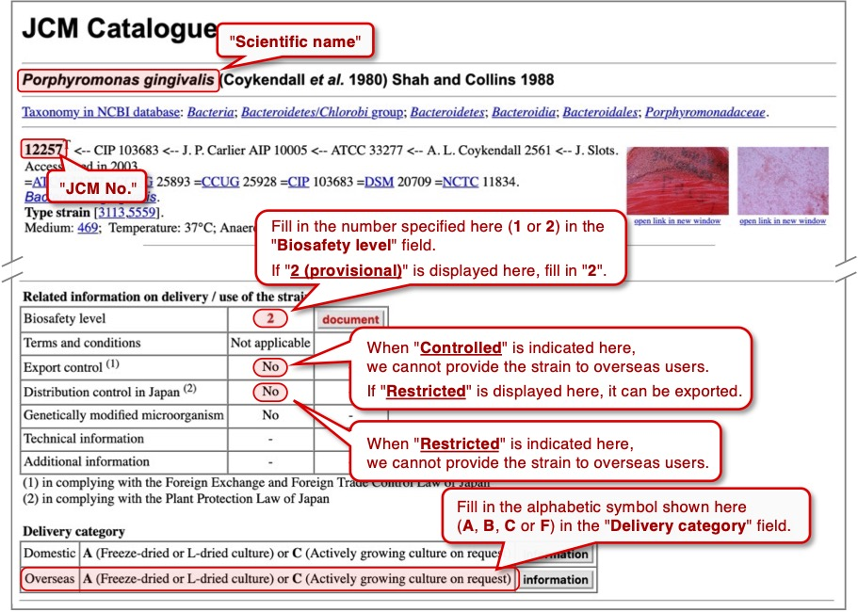
(6)* Check our on-line catalogue and fill out JCM strains information (use pull-down menu). Please refer to the right figure to fill out JCM strains information.
If the number of strains exceeds 30, please enter "See Attachment" in the table below and enter the information on the "Att-M10" sheet of this Excel file.
JCM No. (Numbers only) | Scientific name (Please enter the official scientific name as written in our on-line catalogue) | Delivery category (Check delivery category in our on-line catalogue) | Quantity | Biosafety level (Check Biosafety level in our on-line catalogue) | No
 |  |  |  |  | 1
 |  |  |  |  | 2
 |  |  |  |  | 3
 |  |  |  |  | 4
 |  |  |  |  | 5
 |  |  |  |  | 6
 |  |  |  |  | 7
 |  |  |  |  | 8
 |  |  |  |  | 9
 |  |  |  |  | 10
 |  |  |  |  | 11
 |  |  |  |  | 12
 |  |  |  |  | 13
 |  |  |  |  | 14
 |  |  |  |  | 15
 |  |  |  |  | 16
 |  |  |  |  | 17
 |  |  |  |  | 18
 |  |  |  |  | 19
 |  |  |  |  | 20
 |  |  |  |  | 21
 |  |  |  |  | 22
 |  |  |  |  | 23
 |  |  |  |  | 24
 |  |  |  |  | 25
 |  |  |  |  | 26
 |  |  |  |  | 27
 |  |  |  |  | 28
 |  |  |  |  | 29
 |  |  |  |  | 30

0 |  |  | 0

